year 1
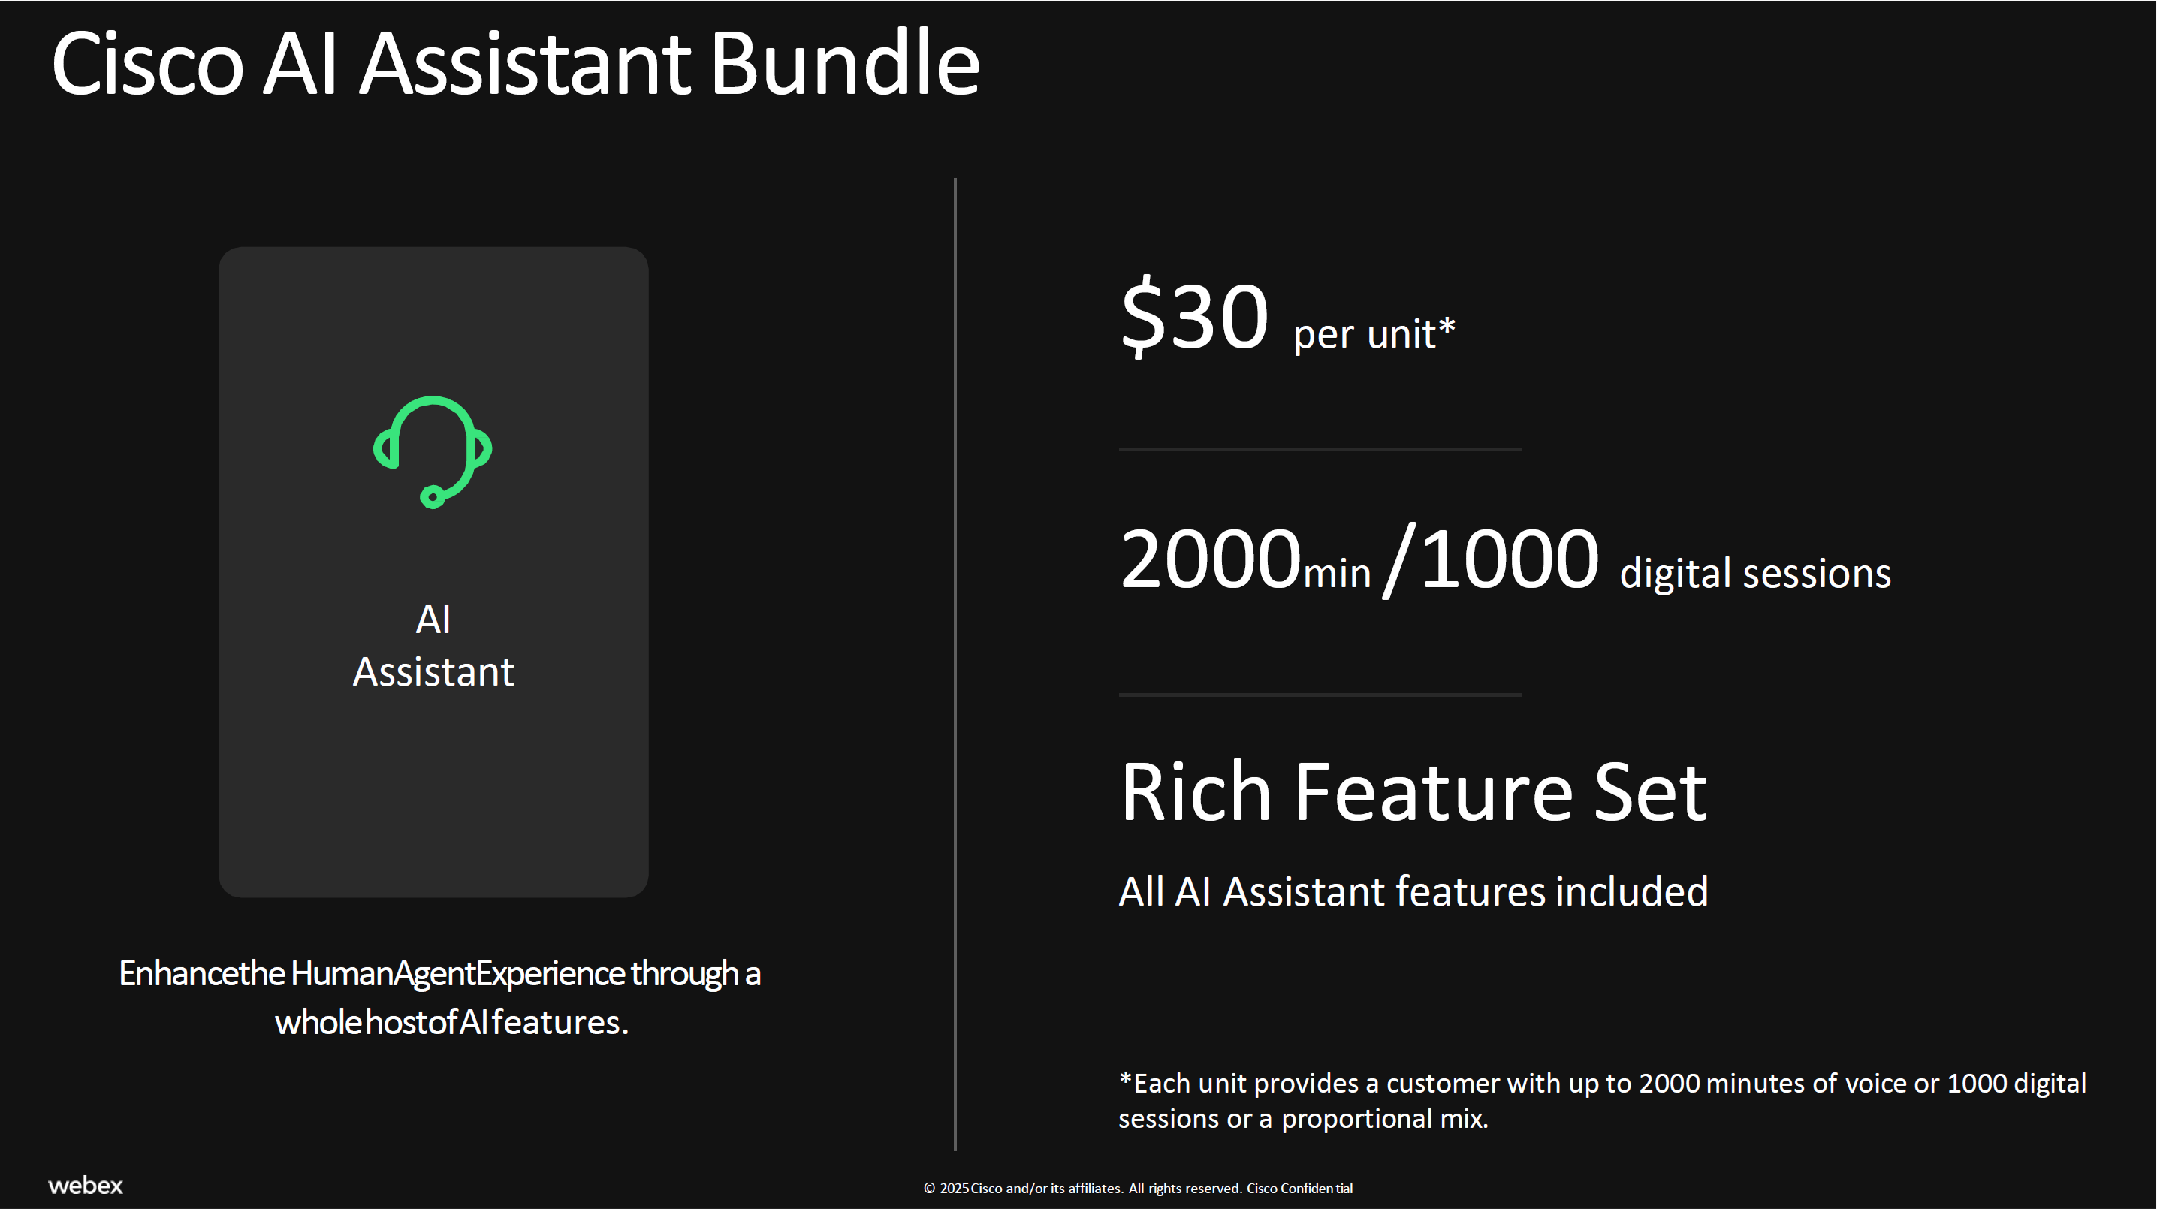
 | Monthly Cost
AI Assistant
Unit List Price (AUD) | $46.38
Partner Discount | 30%
Partner Unit Buy Price (AUD) | $32.47

Voice Calls (monthly) | 0
Avg Talk Time (or *AHT) in sec | 0
Digital Sessions | 0
Units Required | 0
Partner Buy Price | $-

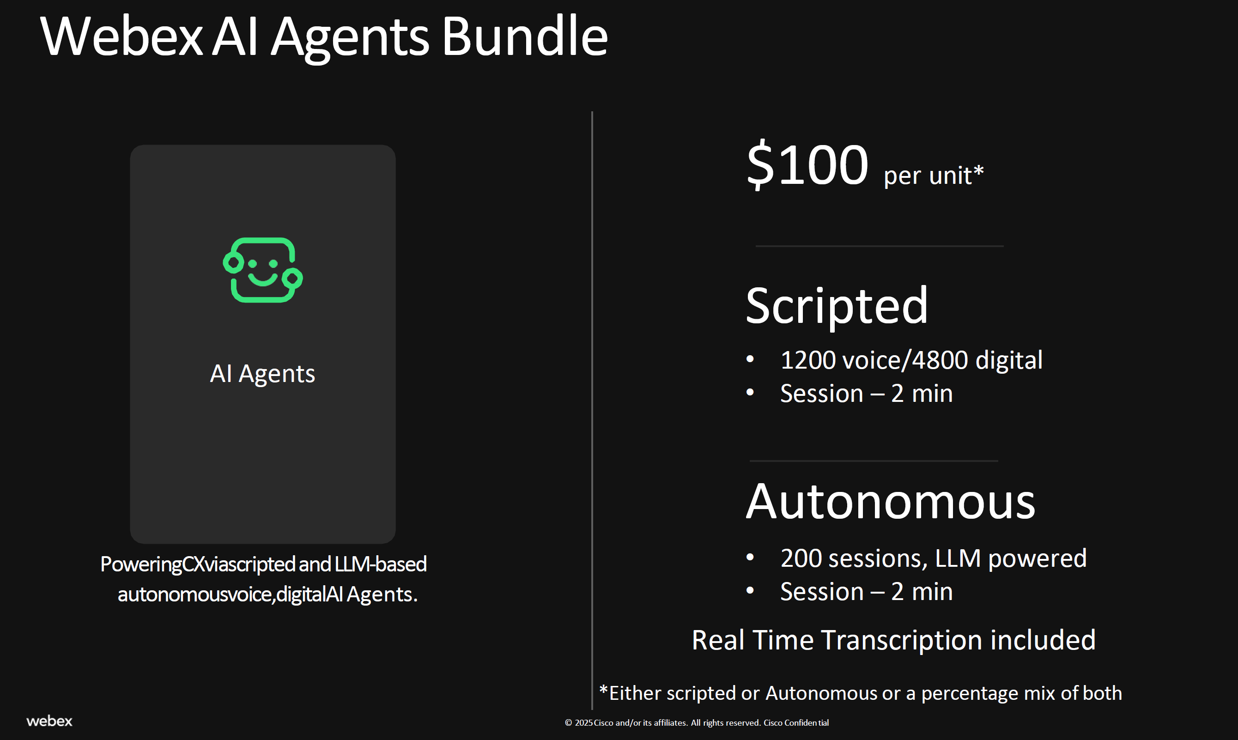
AI Agent
Unit List Price (AUD) | $154.60
Partner Discount | 30%
Partner Unit Buy Price (AUD) | $115.95

Scripted
Voice Calls (monthly) | 0
Avg Talk Time in sec | 0
Digital Sessions | 0
Units Required | 0
Partner Buy Price | $-

Autonomous
Voice Calls (monthly) | 0
Avg Talk Time in sec | 0
Digital Sessions | 0
Units Required | 0 |  |  | * US$ List Price
Partner Buy Price | $-

Total AI Costs/month (AUD) | $-

AI AGENT |  |  |  |  | AI ASSISTANT
Autonomous Voice Assumptions |  | Qty | ATT |  | Voice Assumptions | Qty | ATT
Knowledge Agent |  | 1000 | 120 |  | All calls | 4000 | 120

Autonomous Digital Assumptions |  | Qty | Sessions |  | Digital Assumptions | Qty | Sessions

